Walk MS
MY FUNDRAISING GOAL:
$_____
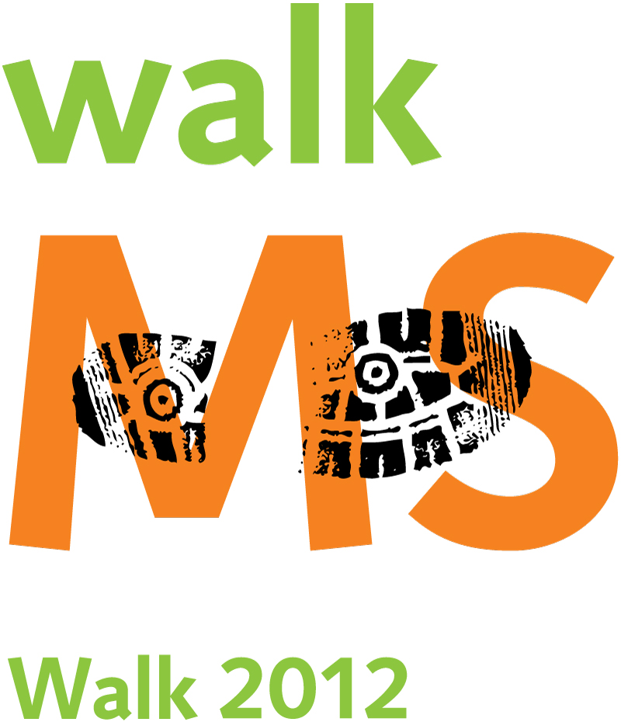 | OFFICIAL SPONSOR PLEDGE SHEET The average walker raises more than $200! Please make checks payable to the National MS Society. A canceled check serves as a receipt, or call our office at 1-800-883-WALK for receipt books.
Sponsor Name | Date of Contact | Phone Number | Email | Donation Amount | Matching Gift (Y/N) | Matching Gift Amount | PAID (Y/N)

 |  |  | TOTAL | $- | TOTAL ALL | $-
From everyone affected by MS, thank you. With lower than average administrative and fundraising costs, the National MS Society is committed to ensuring that the maximum amount of money funds groundbreaking research and provides direct services for local people living with MS. Studies show that early and ongoing treatment with an FDA-approved therapy can reduce future disease activity and improve quality of life for many people with multiple sclerosis. Talk to your health care professional and contact the National MS Society at nationalMSsociety.org or 1-800-FIGHT-MS to learn about ways to help manage multiple sclerosis and about current research that may one day reveal a cure. A copy of the official registration and financial information for the National Multiple Sclerosis Society, Greater Delaware Valley Chapter may be obtained from the Pennsylvania Department of State by calling toll-free within Pennsylvania, 1-800-732-0999. Registration does not imply endorsement.

